Session 1
Session | Topic covered | Formula\Imp point | Example
1 | DataMining definitions | Data Mining /KDD Process, Multidiemsional view of data mining
 | Data Mining in business Intelligence | 1 Data Source 2 Data Preprocessing/Integration, Data Warehouse 3 Data Exploration 4 Data Mining 5 Data Presentation 6 Decision Making
 | Data Mining /KDD Process | 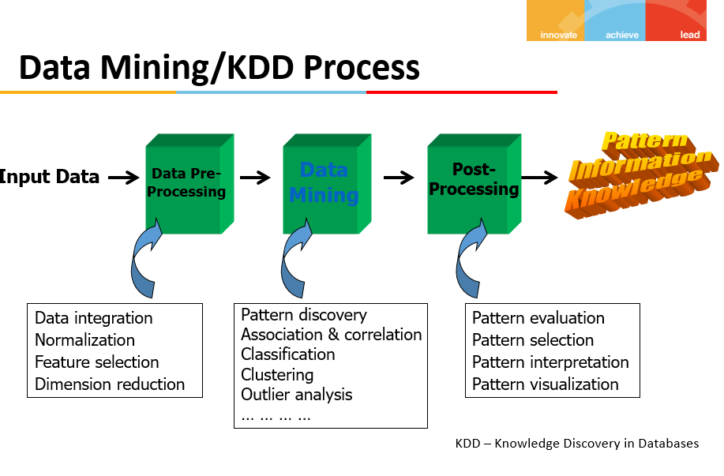
 | Data Mining activities | DataMining Task 1) Prediction Methods 1 Classification 2 Regression 3 Deviation Detection 2) Description Methods 1 Clustering 2 Association Rule Discovery 3 Sequential Pattern Discovery
 | DM Process | Generic DataMining Process 1 Prior Knowledge 2 Data Preparation 3 Modeling and Evaluation 4 Application
 | DM challenge | Mining MEthodology User Interaction Efficiency and Scalability Diversity of Database Types Society

Session 2
 | Data PreProcessing
Session | Topic covered | Summary
 | Major Tasks in Data Preprocessing | Data cleaning Fill in missing values, smooth noisy data, identify or remove outliers, and resolve inconsistencies Data integration Integration of multiple databases, data cubes, or files Data reduction Dimensionality reduction Numerosity reduction Data compression Data transformation and data discretization Normalization Concept hierarchy generation
 | Data Cleaning | 1)How to handle missing data ? 1 Ignore the tuple 2 Fill in the missing value manually 3 Fill in automatically (constant, mean, the most proable value Bayesian Formula or decision tree) 2) How to handle Noisy data? 1 Binning 2 Regression 3 Clustering 4 Combined computer and human inspection 3) Outliers
 | Data Preprocessing Technique | 1)Data cleaning -Fill in missing values, smooth noisy data, identify or remove outliers, and resolve inconsistencies 2)Data integration -Integration of multiple databases, data cubes, or files 3)Data reduction -Dimensionality reduction -Numerosity reduction -Data compression 4)Data transformation and data discretization -Normalization -Concept hierarchy generation
 | Handling Redundancy in Data Integration | Redundancy:exceeding what is necessary or normal Redundant attributes may be able to be detected by correlation analysis and covariance analysis
 | Correlation Analysis(Nominal Data) (Test of independence) | χ2 (chi-square) test X^2 = Sum((Observed - Expected)^2/Expected) The larger the χ2 (chi-square) value, the more likely the variables are related The cells that contribute the most to the χ2 value are those whose actual count is very different from the expected count | 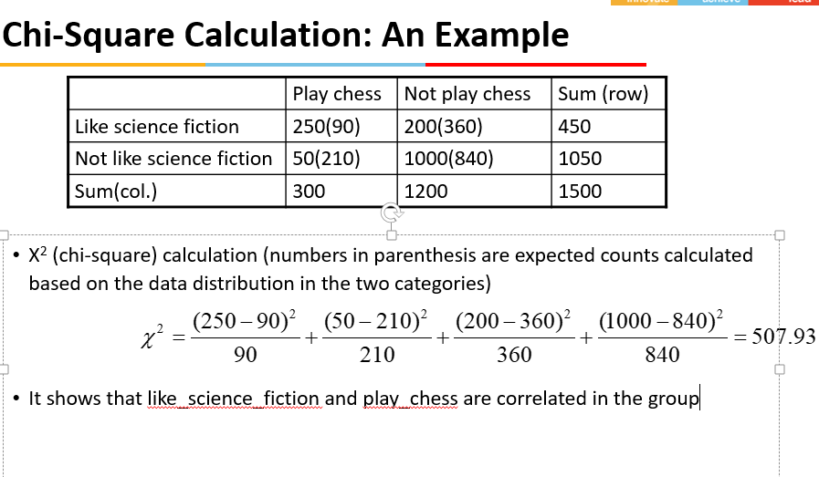
 | Correlation coefficient( Pearson's product moment coefficient) | 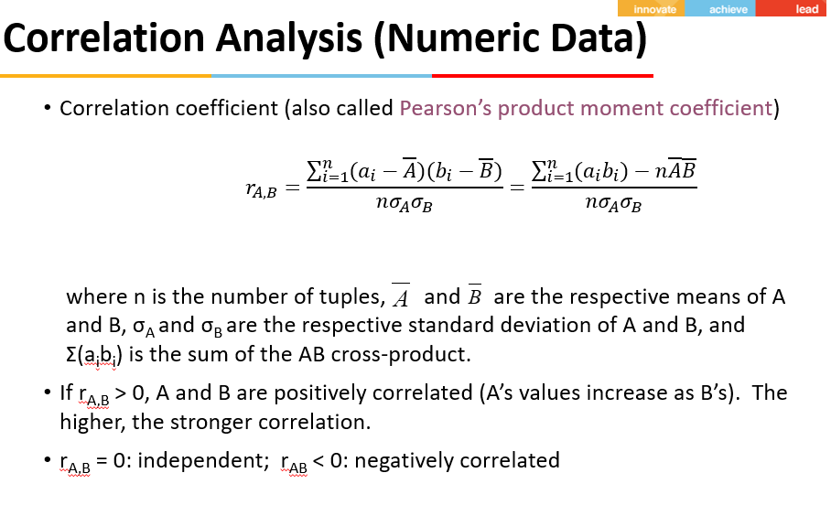 | 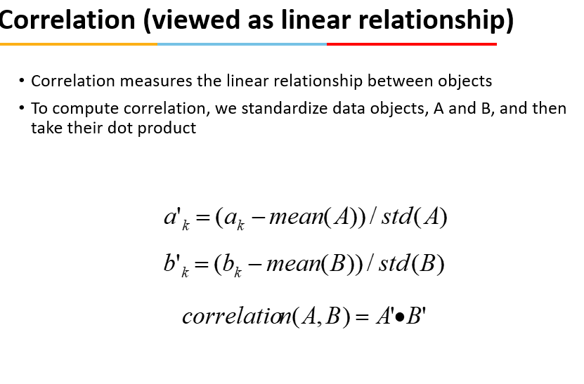
 | Covariance(Numeric Data) | 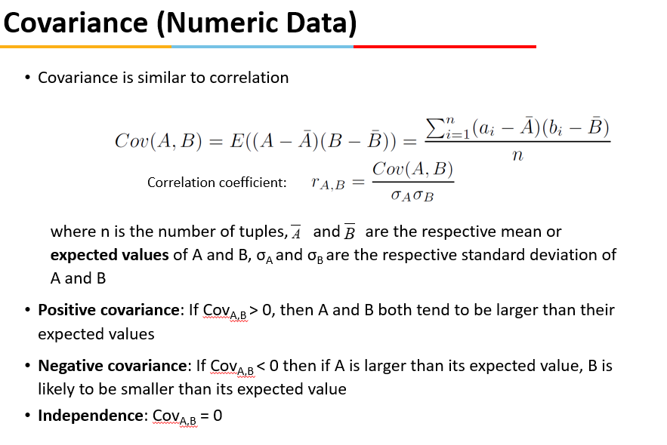 | 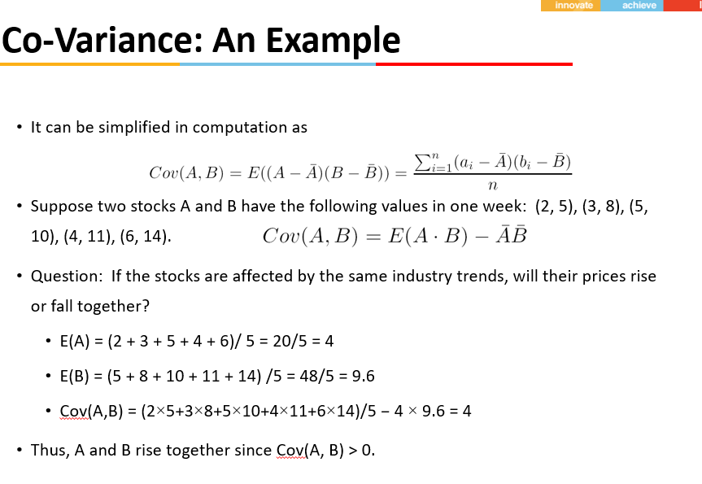
 | Normalization | 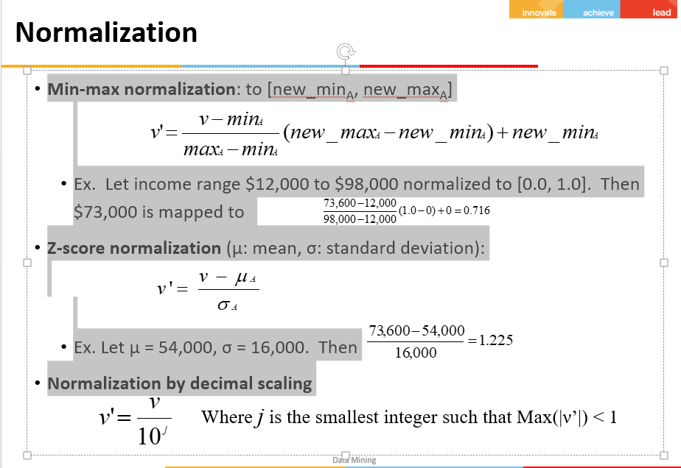
 | Discretization (Divide the range of a continuous attribute into intervals) | Three types of attributes Nominal—values from an unordered set, e.g., color, profession Ordinal—values from an ordered set, e.g., military or academic rank Numeric—real numbers, e.g., integer or real numbers Discretization: Divide the range of a continuous attribute into intervals Interval labels can then be used to replace actual data values Reduce data size by discretization Supervised vs. unsupervised Split (top-down) vs. merge (bottom-up) Discretization can be performed recursively on an attribute Prepare for further analysis, e.g., classification | Typical methods: All the methods can be applied recursively 1)Binning -Top-down split, unsupervised 2)Histogram analysis Top-down split, unsupervised 3)Clustering analysis (unsupervised, top-down split or bottom-up merge) 4)Decision-tree analysis (supervised, top-down split) 5)Correlation (e.g., 2) analysis (unsupervised, bottom-up merge)
 | Simple Discretization: Binning | Equal-width (distance) partitioning -Divides the range into N intervals of equal size: uniform grid -if A and B are the lowest and highest values of the attribute, the width of intervals will be: W = (B –A)/N. -The most straightforward, but outliers may dominate presentation -Skewed data is not handled well Equal-depth (frequency) partitioning -Divides the range into N intervals, each containing approximately same number of samples -Good data scaling -Managing categorical attributes can be tricky | 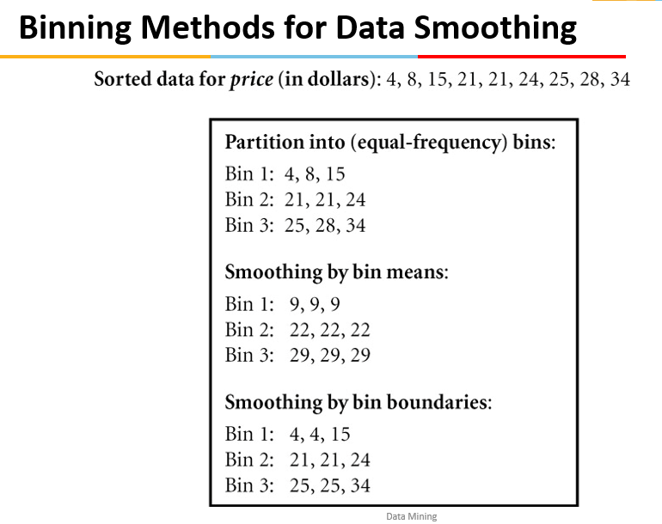
 | Discretization by Classification & Correlation Analysis | Classification (e.g., decision tree analysis) -Supervised: Given class labels, e.g., cancerous vs. benign -Using entropy to determine split point (discretization point) -Top-down, recursive split -Details to be covered in Chapter “Classification” Correlation analysis (e.g., Chi-merge: χ2-based discretization) -Supervised: use class information -Bottom-up merge: find the best neighboring intervals (those having similar distributions of classes, i.e., low χ2 values) to merge -Merge performed recursively, until a predefined stopping condition
 | Data Reduction Strategies, Data Reduction : Dimensionality Reduction Curse of Dimentionality | Data reduction: Obtain a reduced representation of the data set that is much smaller in volume but yet produces the same (or almost the same) analytical results Why data reduction? — A database/data warehouse may store terabytes of data. Complex data analysis may take a very long time to run on the complete data set. Data reduction strategies 1)Dimensionality reduction, e.g., remove unimportant attributes ---Wavelet transforms ---Principal Components Analysis (PCA) ---Feature subset selection, feature creation 2)Numerosity reduction (some simply call it: Data Reduction) ---Regression and Log-Linear Models ---Histograms, clustering, sampling ---Data cube aggregation 3)Data compression | Curse of dimensionality -When dimensionality increases, data becomes increasingly sparse -Density and distance between points, which is critical to clustering, outlier analysis, becomes less meaningful -The possible combinations of subspaces will grow exponentially Dimensionality reduction -Avoid the curse of dimensionality -Help eliminate irrelevant features and reduce noise -Reduce time and space required in data mining -Allow easier visualization Dimensionality reduction techniques -Wavelet transforms -Principal Component Analysis -Supervised and nonlinear techniques (e.g., feature selection) | 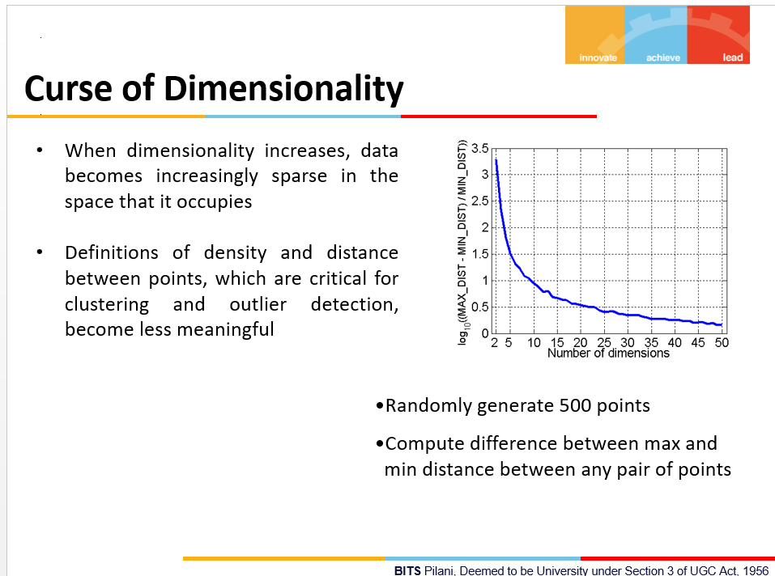
 | Principal Component Analysis (PCA) Find a projection that captures the largest amount of variation in data The original data are projected onto a much smaller space, resulting in dimensionality reduction. | 1)Given N data vectors from n-dimensions, find k ≤ n orthogonal vectors (principal components) that can be best used to represent data --Normalize input data: Each attribute falls within the same range --Compute k orthonormal (unit) vectors, i.e., principal components --Each input data (vector) is a linear combination of the k principal component vectors --The principal components are sorted in order of decreasing “significance” or strength --Since the components are sorted, the size of the data can be reduced by eliminating the weak components, i.e., those with low variance (i.e., using the strongest principal components, it is possible to reconstruct a good approximation of the original data) 2)Works for numeric data only
 | Attribute Subset Selection Another way to reduce dimensionality of data | Redundant attributes --Duplicate much or all of the information contained in one or more other attributes --E.g., purchase price of a product and the amount of sales tax paid Irrelevant attributes --Contain no information that is useful for the data mining task at hand --E.g., students' ID is often irrelevant to the task of predicting students' GPA
 | Heuristic Search in Attribute Selection | 1)There are 2d possible attribute combinations of d attributes 2)Typical heuristic attribute selection methods: --Best single attribute under the attribute independence assumption: choose by significance tests --Best step-wise feature selection: The best single-attribute is picked first Then next best attribute condition to the first, ... --Step-wise attribute elimination: Repeatedly eliminate the worst attribute --Best combined attribute selection and elimination --Optimal branch and bound: Use attribute elimination and backtracking
 | Attribute Creation (Feature Generation) | #Create new attributes (features) that can capture the important information in a data set more effectively than the original ones #Three general methodologies --Attribute extraction Domain-specific --Mapping data to new space (see: data reduction) E.g., Fourier transformation, wavelet transformation --Attribute construction Combining features Data discretization
 | Data Reduction: Numerosity Reduction | Reduce data volume by choosing alternative, smaller forms of data representation Parametric methods (e.g., regression) -Assume the data fits some model, estimate model parameters, store only the parameters, and discard the data (except possible outliers) -Ex.: Log-linear models—obtain value at a point in m-D space as the product on appropriate marginal subspaces Non-parametric methods -Do not assume models -Major families: histograms, clustering, sampling, …
 | Sampling | Sampling: obtaining a small sample s to represent the whole data set N #Allow a mining algorithm to run in complexity that is potentially sub-linear to the size of the data #Key principle: Choose a representative subset of the data --Simple random sampling may have very poor performance in the presence of skew --Develop adaptive sampling methods, e.g., stratified sampling: Note: Sampling may not reduce database I/Os (page at a time) | Types of Sampling 1)Simple random sampling --There is an equal probability of selecting any particular item 2)Sampling without replacement --Once an object is selected, it is removed from the population 3)Sampling with replacement --A selected object is not removed from the population 4)Stratified sampling: --Partition the data set, and draw samples from each partition (proportionally, i.e., approximately the same percentage of the data) --Used in conjunction with skewed data

Session 3
Data Description
Topic covered | Summary
Attribute Types | Nominal: categories, states, or “names of things” Hair_color = {auburn, black, blond, brown, grey, red, white} marital status, occupation, ID numbers, zip codes Binary Nominal attribute with only 2 states (0 and 1) --Symmetric binary: both outcomes equally important e.g., gender --Asymmetric binary: outcomes not equally important. e.g., medical test (positive vs. negative) Convention: assign 1 to most important outcome (e.g., HIV positive) Ordinal Values have a meaningful order (ranking) but magnitude between successive values is not known. Size = {small, medium, large}, grades, army rankings | Numeric Attribute Types Quantity (integer or real-valued) Interval --Measured on a scale of equal-sized units --Values have order E.g., temperature in C˚or F˚, calendar dates --No true zero-point Ratio --Inherent zero-point --We can speak of values as being an order of magnitude larger than the unit of measurement (10 K˚ is twice as high as 5 K˚). e.g., temperature in Kelvin, length, counts, monetary quantities | Discrete vs. Continuous Attributes Discrete Attribute Has only a finite or countably infinite set of values E.g., zip codes, profession, or the set of words in a collection of documents Sometimes, represented as integer variables Note: Binary attributes are a special case of discrete attributes Continuous Attribute Has real numbers as attribute values E.g., temperature, height, or weight Practically, real values can only be measured and represented using a finite number of digits Continuous attributes are typically represented as floating-point variables
Measuring the Central Tendency T12.2 Symmetric vs. Skewed Data | 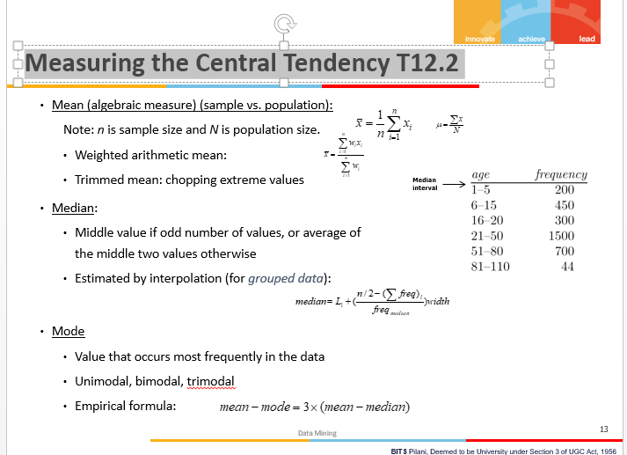 | 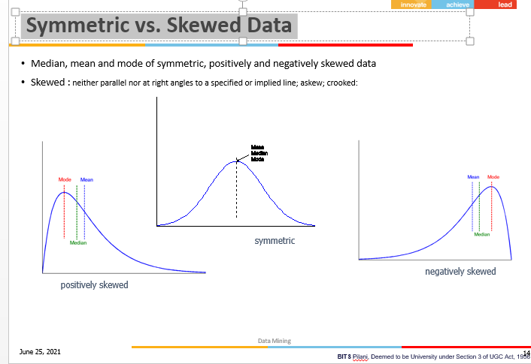
Measuring the Dispersion of Data | 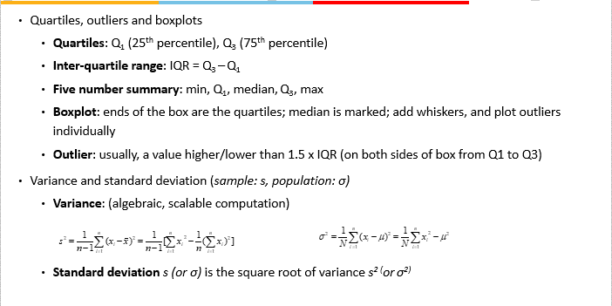
Graphic Displays of Basic Statistical Descriptions Five-number summary | Boxplot: graphic display of five-number summary Histogram: x-axis are values, y-axis repres. frequencies Quantile plot: each value xi is paired with fi indicating that approximately 100 fi % of data are  xi Quantile-quantile (q-q) plot: graphs the quantiles of one univariant distribution against the corresponding quantiles of another Scatter plot: each pair of values is a pair of coordinates and plotted as points in the plane | Following is an ordered list of observations of a variable. Compute 5 point summary. 13, 15, 16, 16, 19, 20, 20, 21, 22, 22, 25, 25, 25, 25, 30, 33, 33, 35, 35, 35, 35, 36, 40, 45, 46, 52, 70 Solution: Min: 13 Q1: 20 7th number Median: 25 total 27 number so 26/2 +1 = 14th number Q3: 35 21th number Max: 70
Proximity Measure for Nominal Attributes Proximity Measure for Binary Attributes Dissimilarity between Binary Variables | 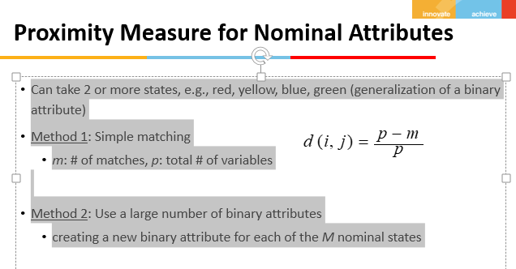 | 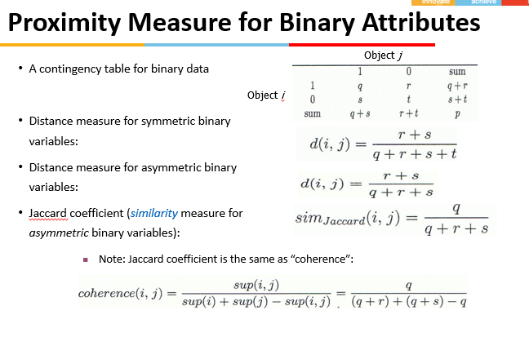 | 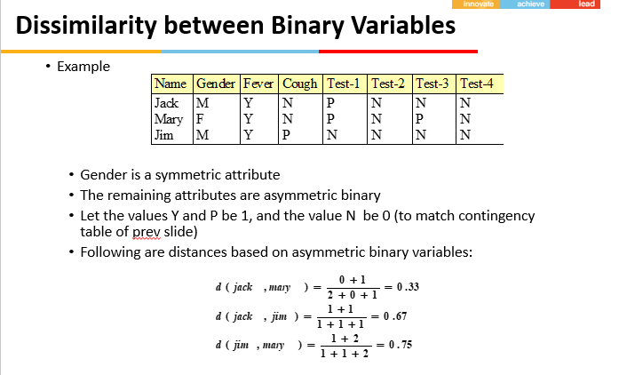
Standardizing Numeric Data Data Matrix and Dissimilarity Matrix | 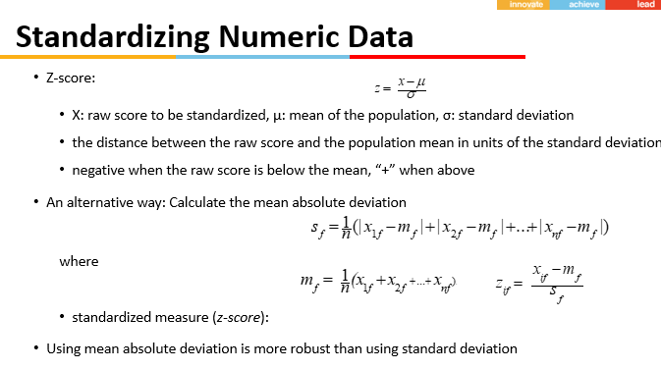 | 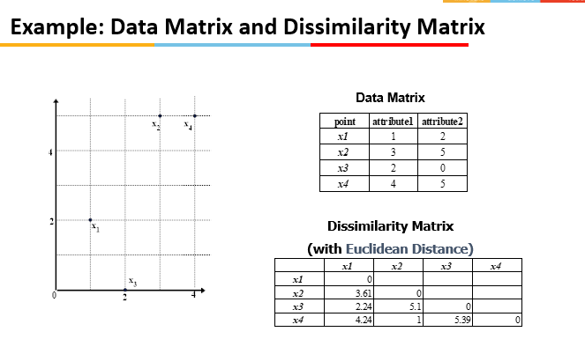
Distance on Numeric Data: Minkowski Distance | 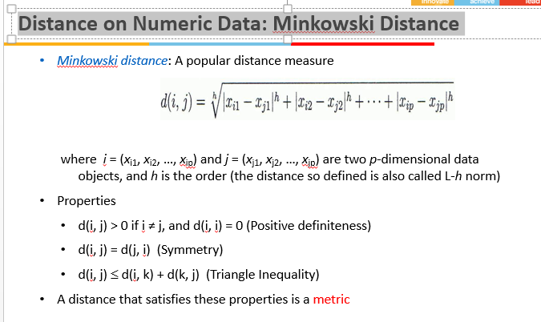 | 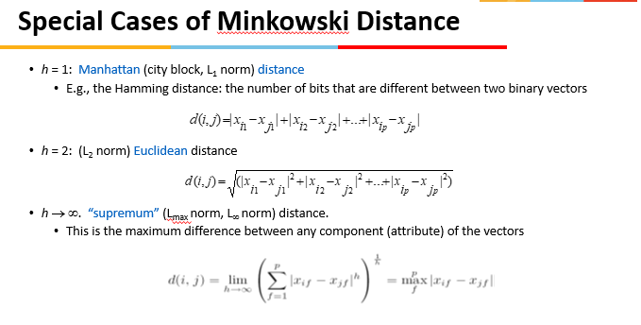 | 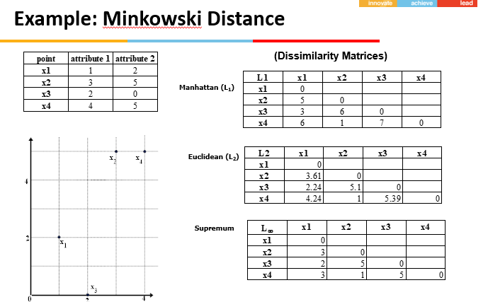
Ordinal Variables Attributes of Mixed Type | 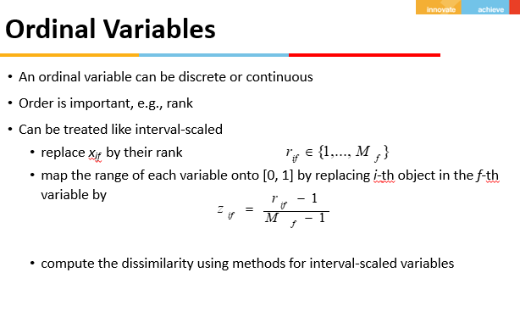 | 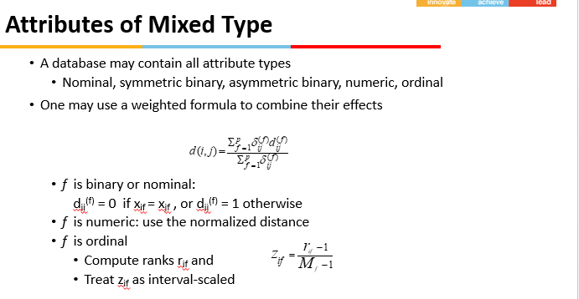
Example :Based on the information given in the table below, find most similar and most dissimilar persons among them. Apply min-max normalization on income to obtain [0,1] range. Consider profession and mother tongue as nominal. Consider native place as ordinal variable with ranking order of [Village, Small Town, Suburban, Metropolitan]. Give equal weight to each attribute. | 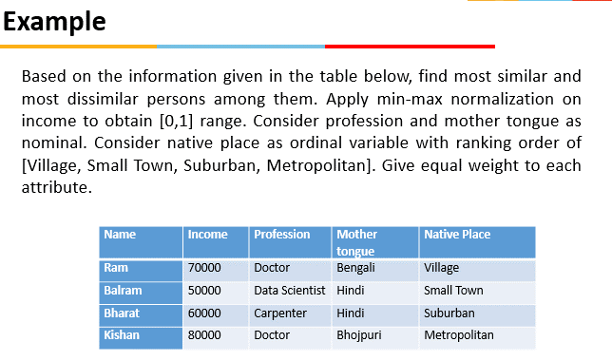 | 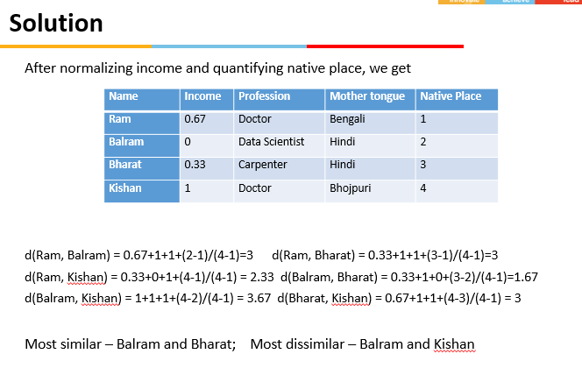
Cosine Similarity | 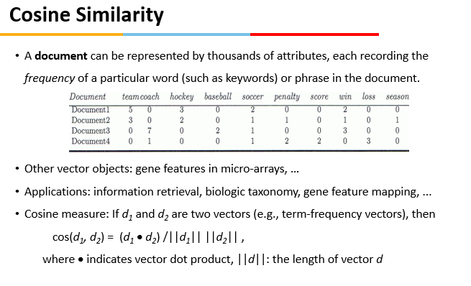 | 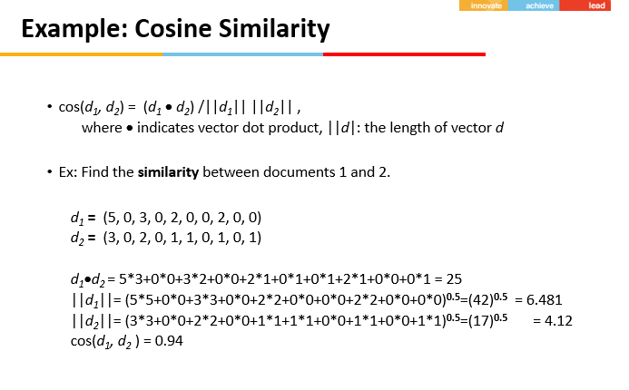

Session 4
Classification vs Prediction , Gini Index, Under fitting ,overfitting
Topic covered | Summary
Classification Techniques | • Decision Tree based Methods • Rule-based Methods • Neural Networks - computational networks that simulate the decision process in neurons (networks of nerve cell) • Naïve Bayes and Bayesian Belief Networks - uses the probability theory to find the most likely of the possible classifications • Support Vector Machines - fits a boundary to a region of points that are all alike; uses the boundary to classify a new point
Example of a Decision Tree | 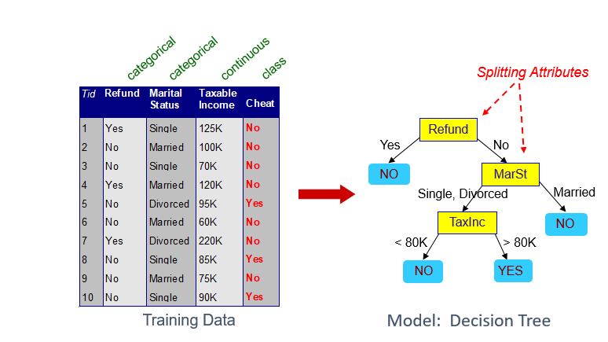 | 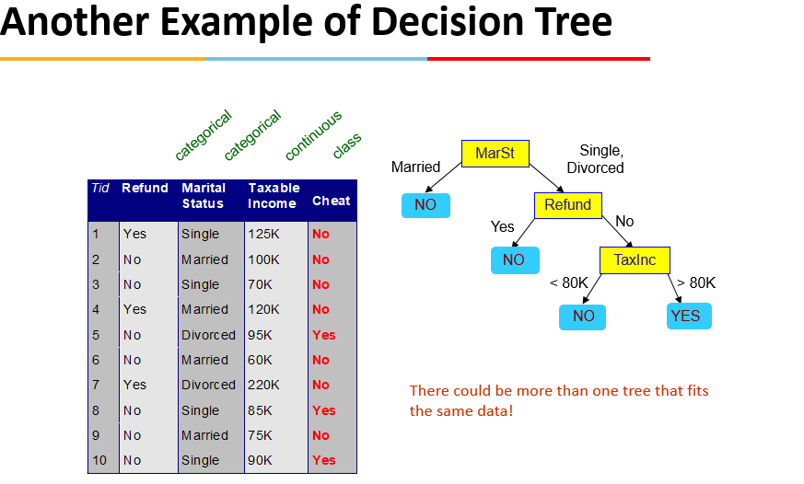
Decision Tree Based Classification | Decision trees are intuitive and frequently used data mining technique for Classification For an analyst, they are easy to set up and for a business user they are easy to interpret. A decision tree model is a decision flowchart where an attribute is tested in each node and ends in a leaf node where a prediction is made. There are many algorithms for decision tree induction such as Hunt’s Algorithm, CART, ID3, C4.5, SLIQ,SPRINT
Hunt’s Algorithm - Structure | 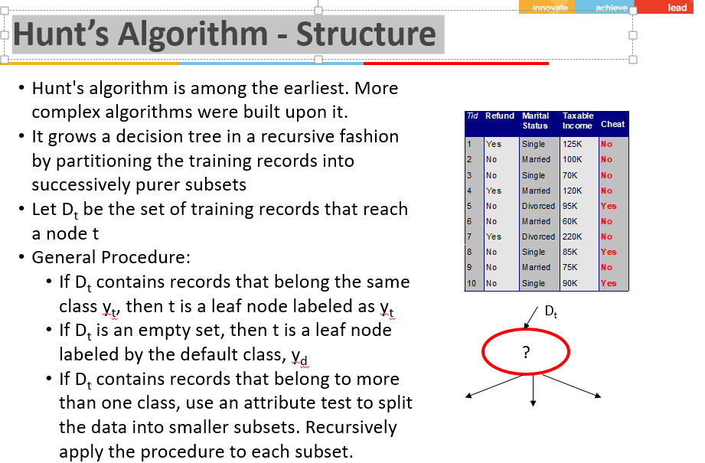 | 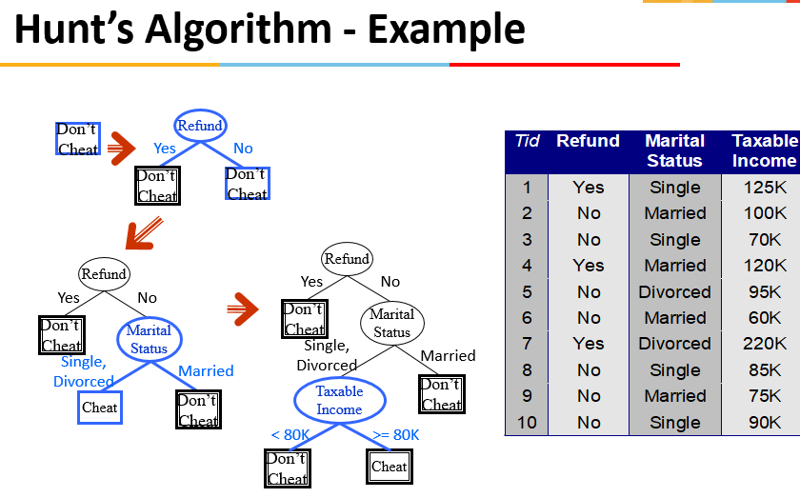
Tree Induction | • Greedy strategy. Split the records based on an attribute test that optimizes certain criterion. • Issues • Determine how to split the records • How to specify the attribute test condition? • How to determine the best split? • Determine when to stop splitting
Splitting | 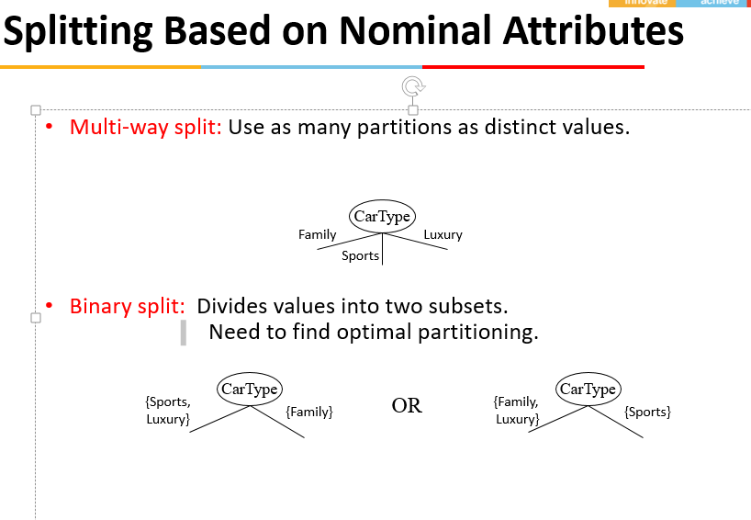 | 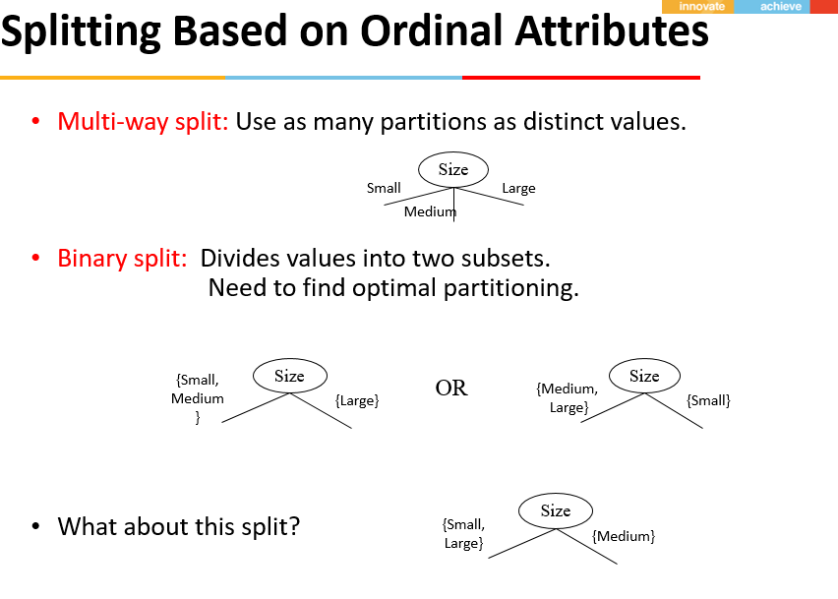
Splitting Based on Continuous Attributes | • Different ways of handling Discretization to form an ordinal categorical attribute • Static – discretize once at the beginning • Dynamic – ranges can be found by equal interval bucketing, equal frequency bucketing (percentiles), or clustering. • Binary Decision: (A < v) or (A  v) • consider all possible splits and finds the best cut • can be more compute intensive | 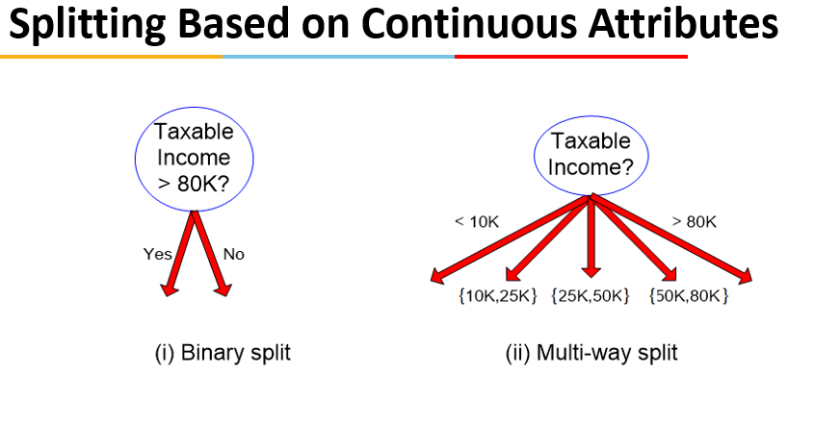
Measures of Node Impurity | Gini Index Entropy Misclassification error
Gini Index | 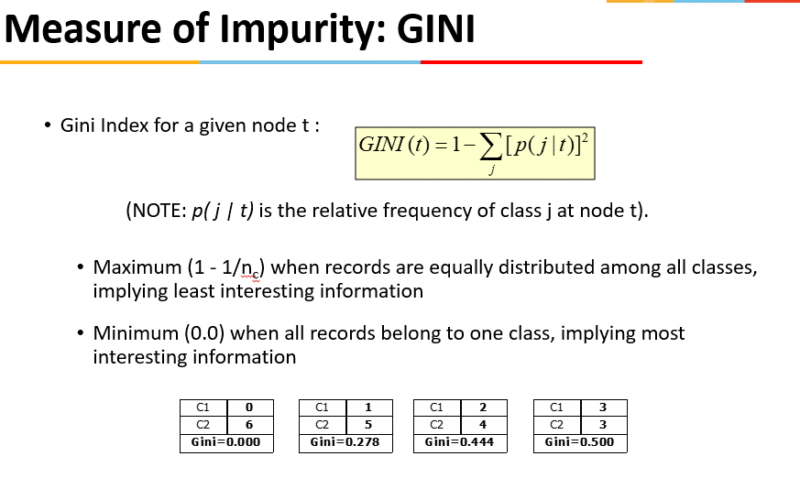 | 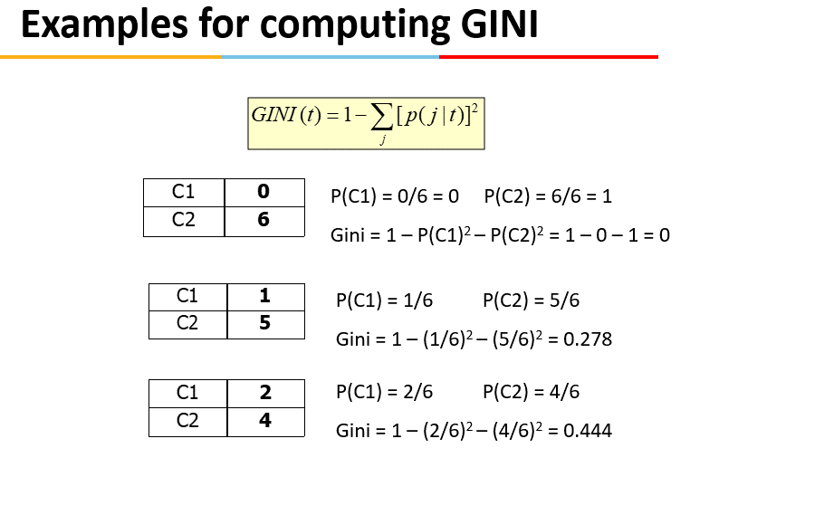
Binary Attributes: Computing GINI Index Categorical Attributes: Computing Gini Index | 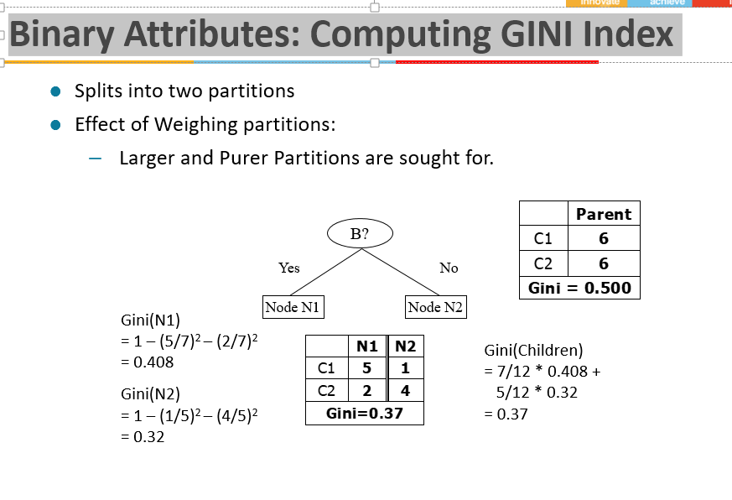 | 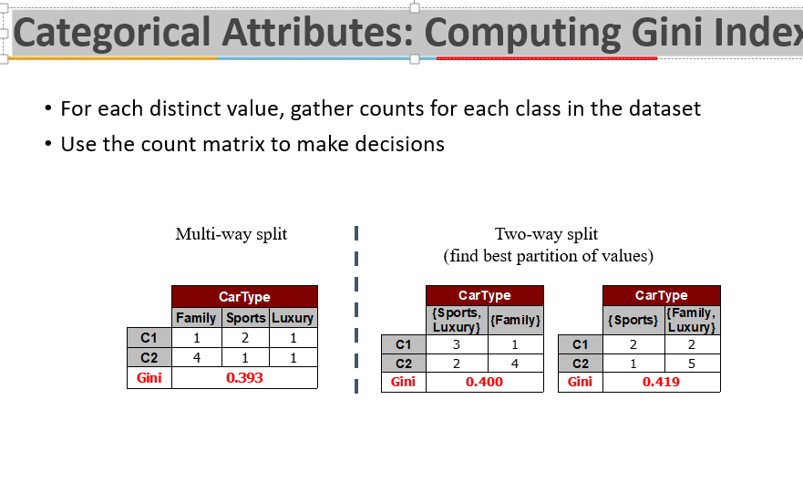
Continuous Attributes: Computing Gini Index | 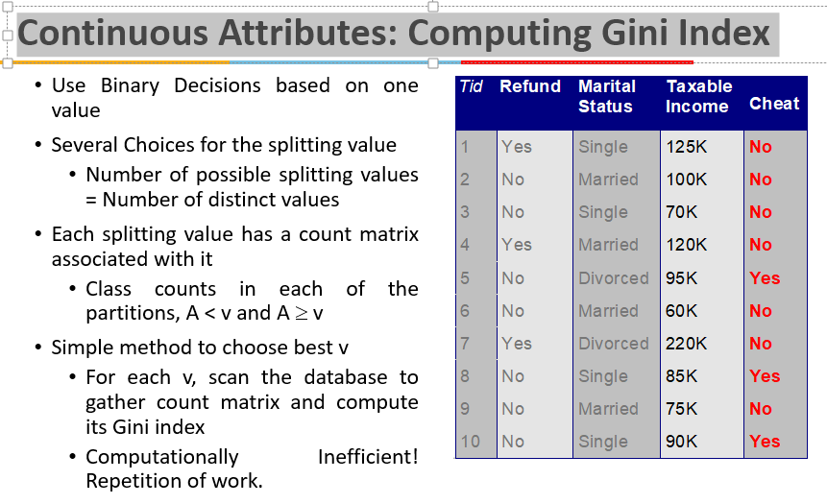 | 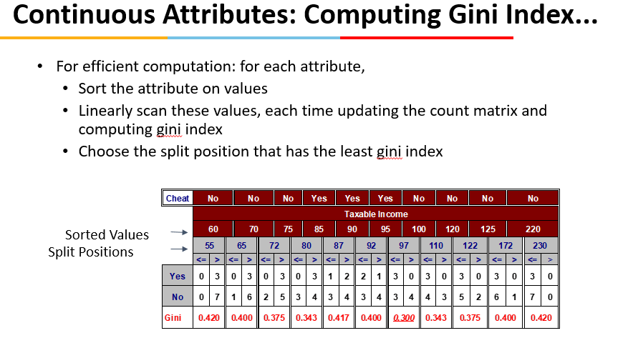
Entropy | 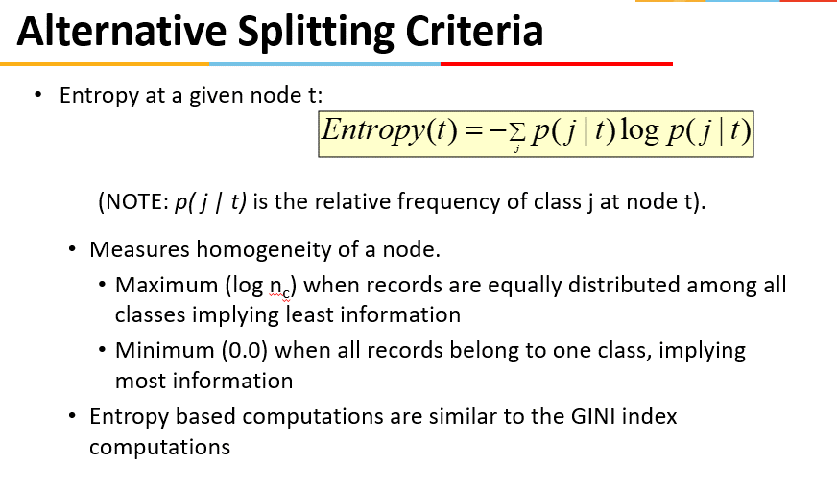 | 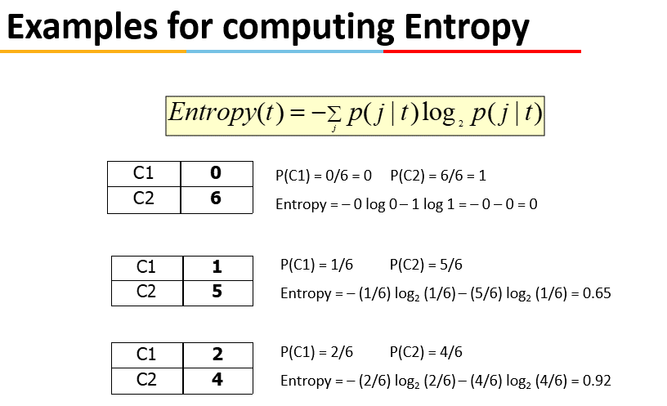
Splitting Criteria based on Classification Error | 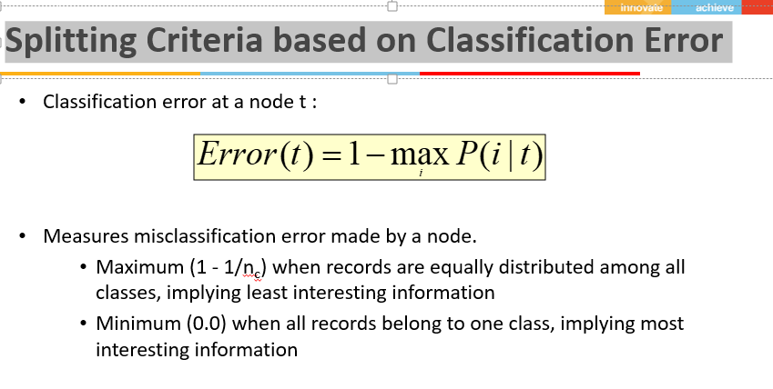 | 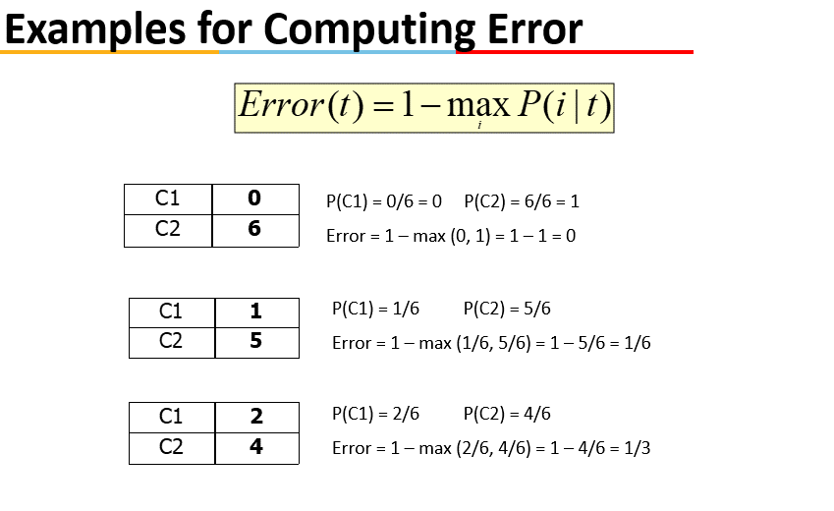
Comparison among Splitting Criteria | 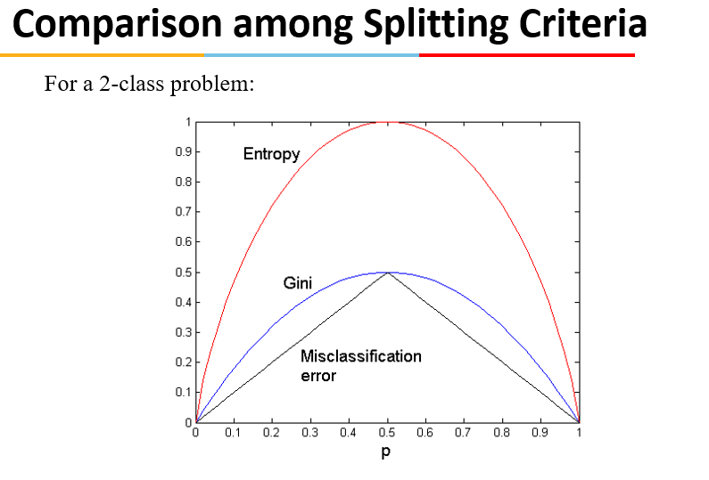
Gain Ratio | 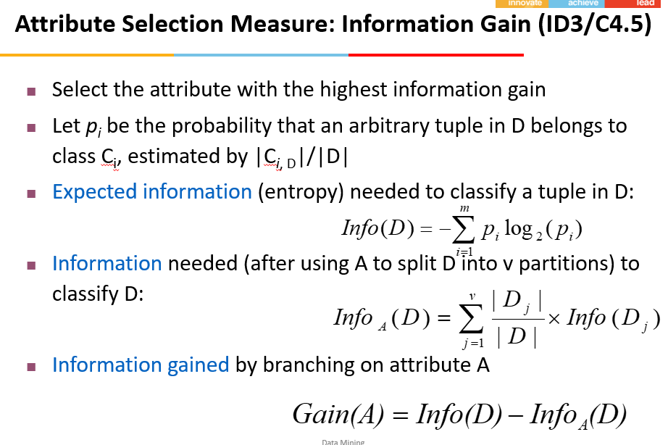
Gain Ratio Example | 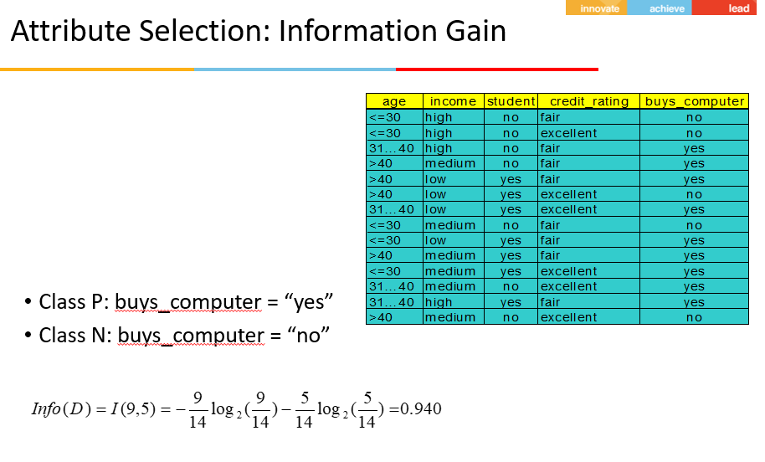 | 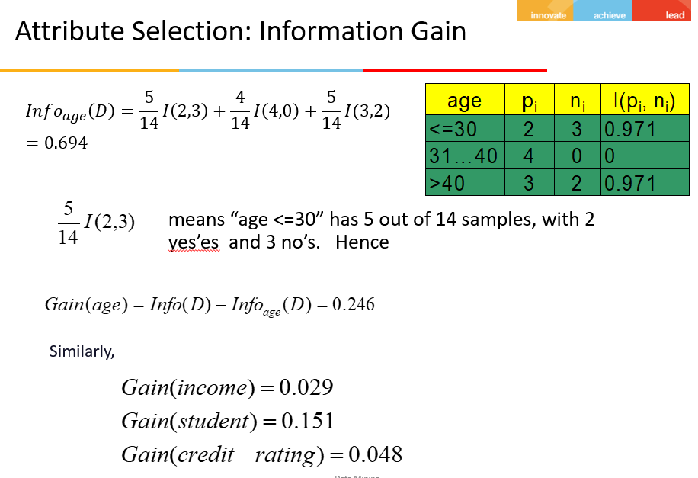 | 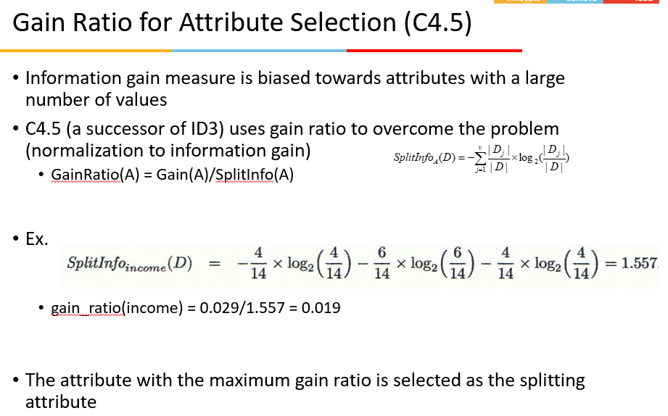
Stopping Criteria for Tree Induction | Stop expanding a node when all the records belong to the same class Stop expanding a node when all the records have similar attribute values Early termination
Underfitting vs. Overfitting | 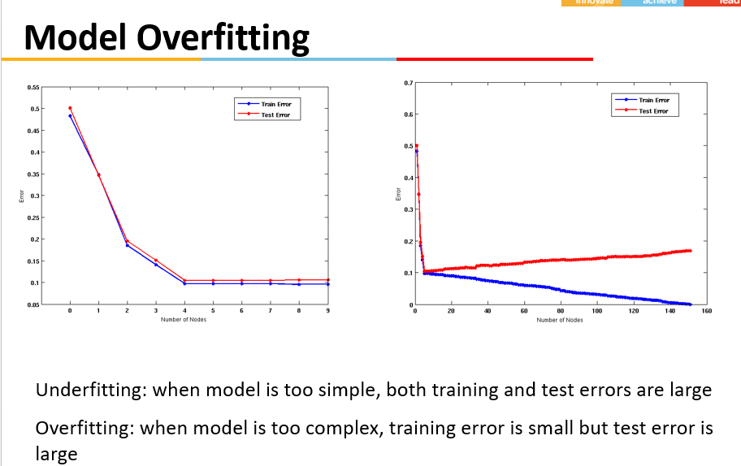
How to Address Overfitting | • Pre-Pruning (Early Stopping Rule) 1 Stop the algorithm before it becomes a fully-grown tree 2 General stopping conditions for a node: • Stop if all instances belong to the same class • Stop if all the attribute values are the same 3 More restrictive conditions (for pre-pruning) : • Stop if number of instances is less than some user-specified threshold • Stop if class distribution of instances are independent of the available features (e.g., using  2 test) • Stop if expanding the current node does not improve impurity measures (e.g., Gini or information gain). • Post-pruning 1 Grow decision tree to its entirety 2 Trim the nodes of the decision tree in a bottom-up fashion 3 If generalization error(i.e. expected error of the model on previously unseen records) improves after trimming, replace sub-tree by a leaf node. 4 Class label of leaf node is determined from majority class of instances in the sub-tree

Session5
Rule-based Classification
Topic covered | Summary
Classification Techniques | • Decision Tree based Methods • Rule-based Methods • Neural Networks ➢ computational networks that simulate the decision process in neurons (networks of nerve cell) • Naïve Bayes and Bayesian Belief Networks ➢ uses the probability theory to find the most likely of the possible classifications • Support Vector Machines ➢ fits a boundary to a region of points that are all alike; uses the boundary to classify a new point | Classify records by using a collection of “if…then…” rules Rule: (Condition)  y where Condition is a conjunctions of attributes y is the class label LHS: rule antecedent or condition RHS: rule consequent Examples of classification rules: (Blood Type=Warm)  (Lay Eggs=Yes)  Birds (Taxable Income < 50K)  (Refund=Yes)  Evade=No
Rule Coverage and Accuracy | 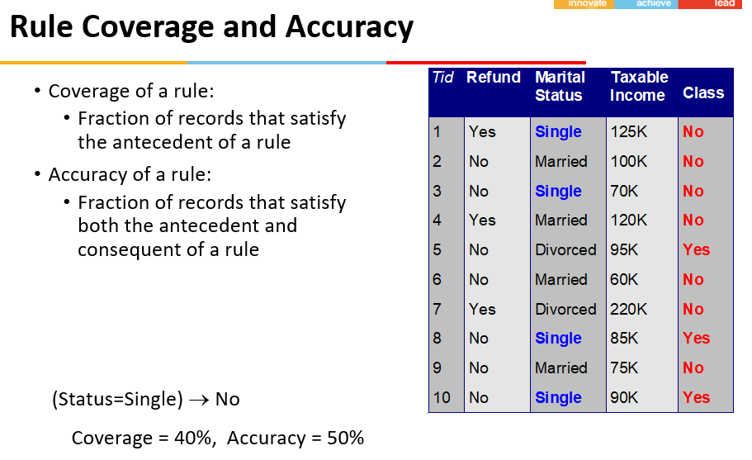
Rule Ordering Schemes | 
How to Evaluate Learnt Rule? |  | 
Building Classification Rules | Direct Method: Extract rules directly from data e.g.: RIPPER, CN2, Holte’s 1R Indirect Method: Extract rules from other classification models (e.g. decision trees, neural networks, etc). e.g: C4.5rules | Direct Method: Sequential Covering • Sequential covering algorithm: Extracts rules directly from training data • Typical sequential covering algorithms: FOIL, AQ, CN2, RIPPER • Rules are learned sequentially, each for a given class Ci will cover many tuples of Ci but none (or few) of the tuples of other classes
Rule Induction: Sequential Covering Method | Start with an empty rule set Steps: 1Rules are learned one at a time 2Each time a rule is learned, the tuples covered by the rules are removed 3Repeat the process(above steps) on the remaining tuples until termination condition, e.g., when no more training examples or when the quality of a rule returned is below a user-specified threshold Comparison with decision-tree induction: learning a set of rules simultaneously | 
Rule Generation | To generate a rule while(true) find the best predicate p if foil-gain(p) > threshold then add p to current rule else break Predicates considered may be independent of each other (as in previous slide) or progressively restrictive (as in the next slide) | 
Indirect Methods | 
Ensemble Methods | Construct a set of classifiers from the training data Predict class label of previously unseen records by aggregating predictions made by multiple classifiers | 
Ensemble Methods |  | 

Session 6
Model Evaluation and Selection
Topic covered | Summary
Classifier Evaluation Metrics: Confusion Matrix |  | 
Classifier Evaluation Metrics: Accuracy, Error Rate, Sensitivity and Specificity |  |  | we can always get 100% recall by just returning all test tuples to a single class (by a trivial classifier), and therefore we can always get a 50% arithmetic mean by the same process. Say only one out of 10000 test tuples belonged to the class, the harmonic mean score of trivial classifier is 0.02%. The harmonic mean is always less than or equal to the arithmetic mean and the geometric mean. When the values of two numbers differ greatly, the harmonic mean is closer to their minimum than to their arithmetic mean.
Classifier Evaluation Metrics: Precision and Recall, and F-measures |  | 

